Contents


Table of Contents
Overall Consumer themes
Gender
Age
Ethnicity
Insurance policies held
Overall satisfaction
Insurance in process of buying
Claimed in last 12 months
Policies claimed on
Reasons for taking insurance
Insurance requires regulation
Financial confidence
Interest in financial planning
Importance of insurance
Region
Ranked Opp. score by theme
Opp. score by theme
Ranked Opp. score by statement
Ranked Opp. score by Gender
Gender Opp. score by theme
Ranked Opp. score by Age
Age Opp. score by theme
Ranked Opp. score by Ethnicity
Ethnicity Opp. score by theme
Opp. score by insurance held
Insur.held Opp. score by theme
Opp. score by insurance claimed
Insur.claim Opp. score by theme
Financial impact of COVID-19

Overall Consumer themes
Back to Contents
 | Loyalty |  | Confidence |  | Ease |  | Protection |  | Price |  | Respect (claims) |  | Speed (claims) |  | Control (claims) |  | Relationship
6.03 | 3.02 | 6.71 | 5.91 | 6.25 | 6.35 | 5.62 | 5.39 | 4.88 | 4.06 | 4.85 | 4.41 | 5.32 | 5.41 | 4.32 | 3.99 | 3.41 | 2.96
Maintain
Over Served
Improve
Urgent Action
Importance
Performance
Low
High
Low
High
*The size of each theme bubble denotes the relative opportunity score in each case.
The bigger the bubble the greater the opportunity to deliver improved service.

Gender
Back to Contents

 | Gender | Respondents | % of Respondents
 | Male | 481 | 48.00
 | Female | 518 | 51.70
Gender
 | Other | 2 | 0.20
 | Prefer not to say | 1 | 0.10

Age
Back to Contents

 | Age | Respondents | % of Respondents
 | 18-24 | 102 | 10.18
 | 25-34 | 174 | 17.37
Age
 | 35-44 | 163 | 16.27
 | 45-54 | 180 | 17.96
 | 55-64 | 155 | 15.47
 | 65 or older | 228 | 22.75

Ethnicity
Back to Contents

 | Ethnicity | Respondents | % of Respondents
 | Arab | 6 | 0.60
 | Asian/ Asian British | 60 | 5.99
Ethnicity
 | Black/ Black British | 29 | 2.89
 | White/ White British | 877 | 87.52
 | Mixed/ multiple ethnic groups | 20 | 2.00
 | Other ethnic background | 7 | 0.70
 | Prefer not to say | 3 | 0.30

Insurance policies held
Back to Contents

 | Insurance policies held | Number of responses | % of Respondents
 | Travel | 418 | 41.72
 | Buildings and/or Contents | 805 | 80.34
Insurance policies held
 | Motor | 797 | 79.54

Overall satisfaction
Back to Contents

 | Overall satisfaction | Number of responses | % of Respondents
 | Extremely dissatisfied | 7 | 0.70
 | Dissatisfied | 7 | 0.70
Overall satisfaction
 | Slightly dissatisfied | 29 | 2.89
 | Neither satisfied nor dissatisfied | 120 | 11.98
 | Slightly satisfied | 175 | 17.47
 | Satisfied | 507 | 50.60
 | Extremely satisfied | 157 | 15.67

Insurance in process of buying
Back to Contents

 | Insurance in process of buying | Number of responses | % of Respondents
 | Motor | 198 | 19.76
 | Travel | 150 | 14.97
Insurance in process of buying
 | Buildings and/or Contents | 228 | 22.75
 | None of these | 591 | 58.98

Claimed in last 12 months
Back to Contents

 | Claimed in last 12 months | Respondents | % of Respondents
 | Yes | 134 | 13.37
 | No | 868 | 86.63
Claimed in last 12 months

Policies claimed on
Back to Contents

 | Policies claimed on | Number of responses | % of Respondents
 | Travel | 47 | 35.07
 | Buildings and/or Contents | 51 | 38.06
Policies claimed on
 | Motor | 63 | 47.01

Reasons for taking insurance
Back to Contents

 | Reasons for taking insurance | Number of responses | % of Respondents
 | To look after people I care about | 273 | 27.25
 | It's a responsible thing to do | 611 | 60.98
Reasons for taking insurance
 | To look after something I care about | 313 | 31.24
 | To make sure I can put right any damage I cause accidentally to other people or their property | 344 | 34.33
 | The risk of something going wrong was too great | 306 | 30.54
 | It's something I had to do (e.g. legal or mortgage requirement) | 333 | 33.23
 | To make sure my way of life wouldn't change if something went wrong | 339 | 33.83

Insurance requires regulation
Back to Contents

 | Insurance requires regulation | Respondents | % of Respondents
 | Strongly disagree | 9 | 0.90
 | Disagree | 31 | 3.09
Insurance requires regulation
 | Neither agree nor disagree | 118 | 11.78
 | Agree | 486 | 48.50
 | Strongly agree | 358 | 35.73

Financial confidence
Back to Contents

 | Financial confidence | Respondents | % of Respondents
 | Very uncertain | 12 | 1.20
 | Uncertain | 88 | 8.78
Financial confidence
 | Somewhat confident | 304 | 30.34
 | Confident | 464 | 46.31
 | Very confident | 134 | 13.37

Interest in financial planning
Back to Contents

 | Interest in financial planning | Respondents | % of Respondents
 | No interest at all | 57 | 5.69
 | Limited interest | 171 | 17.07
Interest in financial planning
 | Somewhat interested | 302 | 30.14
 | Interested | 335 | 33.43
 | Extremely interested | 137 | 13.67

Importance of insurance
Back to Contents

 | Importance of insurance | Respondents | % of Respondents
 | 0 - completely unimportant | 6 | 0.60
 | 1 | 0 | 0.00
Importance of insurance
 | 2 | 7 | 0.70
 | 3 | 11 | 1.10
 | 4 | 11 | 1.10
 | 5 | 50 | 4.99
 | 6 | 62 | 6.19
 | 7 | 126 | 12.57
 | 8 | 198 | 19.76
 | 9 | 148 | 14.77
 | 10 - extremely important | 383 | 38.22

Region
Back to Contents

 | Region | Respondents | % of Respondents
 | North East | 41 | 4.09
 | North West | 111 | 11.08
Region
 | Yorkshire and The Humber | 83 | 8.28
 | East Midlands | 72 | 7.19
 | West Midlands | 92 | 9.18
 | East of England | 88 | 8.78
 | London | 135 | 13.47
 | South East | 138 | 13.77
 | South West | 87 | 8.68
 | Wales | 47 | 4.69
 | Scotland | 82 | 8.18
 | Northern Ireland | 26 | 2.59

Financial impact of COVID-19
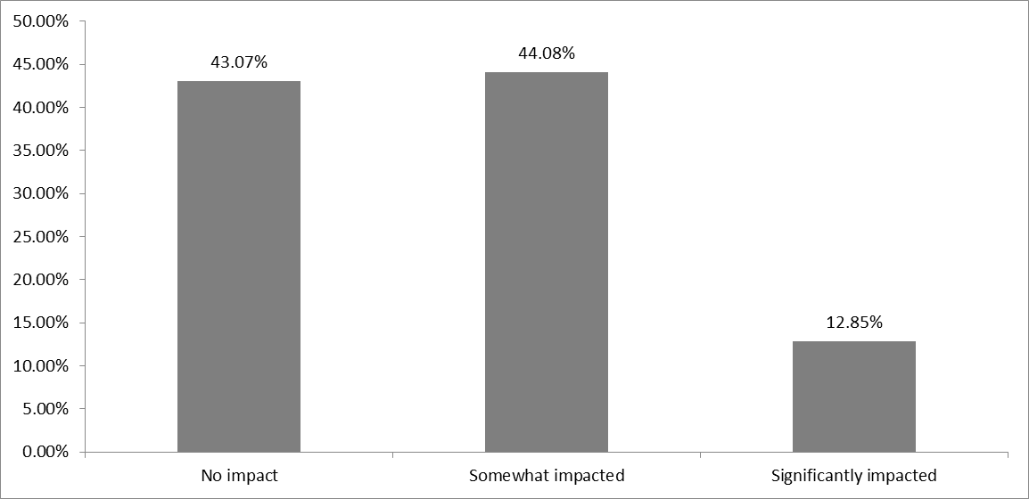
To what extent has your personal financial situation been impacted by the COVID-19 crisis?
Base: All of Wave 5 & 6 asked
Base | 1002

No impact | 47.50%
 | 476
Somewhat impacted | 40.82%
 | 409
Significantly impacted | 11.68%
 | 117

 |  |  | No impact | 47.50%
 |  |  | Somewhat impacted | 40.82%
 |  |  | Significantly impacted | 11.68%

 |  | Wave 4&5 May 2020 and September 2020

