Contents


Table of Contents
Overall SME themes
Gender
Age range
Ethnicity
Insurance policies held
Employees
Industry sector
Overall satisfaction
Insurance in process of buying
Claimed in last 12 months
Policies claimed on
Reasons for taking insurance
Responsibility for insurance
Insurance requires regulation
Financial confidence
Interest in financial planning
Importance of insurance
Region
Ranked Opp. score by theme
Opp. score by theme
Ranked Opp. score by statement
Ranked Opp. score by Gender
Gender Opp. score by theme
Ranked Opp. score by Age range
Age range Opp. score by theme
Ranked Opp. score by Ethnicity
Ethnicity Opp. score by theme
Ranked Opp. score by Employees
Employees Opp. score by theme
Opp. score by insurance held
Insur.held Opp. score by theme
Opp. score by insurance claimed
Insur.claim Opp. score by theme
Financial impact of COVID-19

Overall SME themes
Back to Contents
 | Loyalty |  | Confidence |  | Ease |  | Protection |  | Price |  | Relationship |  | Control (claims) |  | Respect (claims) |  | Speed (claims)
5.68 | 4.70 | 6.11 | 6.20 | 5.97 | 6.10 | 5.68 | 5.83 | 4.78 | 4.56 | 4.43 | 4.46 | 4.29 | 4.21 | 4.07 | 4.16 | 4.54 | 5.23
Maintain
Over Served
Improve
Urgent Action
Importance
Performance
Low
High
Low
High
*The size of each theme bubble denotes the relative opportunity score in each case.
The bigger the bubble the greater the opportunity to deliver improved service.

Gender
Back to Contents

 | Gender | Respondents | % of Respondents
 | Male | 733 | 48.87
 | Female | 763 | 50.87
Gender
 | Other | 3 | 0.20
 | Prefer not to say | 1 | 0.07

Age range
Back to Contents

 | Age range | Respondents | % of Respondents
 | 18-24 | 212 | 14.13
 | 25-34 | 395 | 26.33
Age range
 | 35-44 | 345 | 23.00
 | 45-54 | 270 | 18.00
 | 55-64 | 215 | 14.33
 | 65 or older | 63 | 4.20

Ethnicity
Back to Contents

 | Ethnicity | Respondents | % of Respondents
 | Arab | 20 | 1.33
 | Asian/ Asian British | 124 | 8.27
Ethnicity
 | Black/ Black British | 60 | 4.00
 | White/ White British | 1228 | 81.87
 | Mixed/ multiple ethnic groups | 45 | 3.00
 | Other ethnic background | 15 | 1.00
 | Prefer not to say | 8 | 0.53

Insurance policies held
Back to Contents

 | Insurance policies held | Number of responses | % of Respondents
 | Motor | 888 | 59.20
 | Employers' Liability Insurance | 794 | 52.93
Insurance policies held
 | Buildings and/or Contents | 1085 | 72.33
 | Business Interruption Insurance | 295 | 19.67

Employees
Back to Contents

 | Employees | Number of responses | % of Respondents
 | 1-5 employees | 440 | 29.33
 | 6-20 employees | 493 | 32.87
Employees
 | More than 20 employees | 567 | 37.80

Industry sector
Back to Contents

 | Industry sector | Number of responses | % of Respondents
 | Agriculture, Forestry or Fishing | 16 | 1.07
 | Mining and Quarrying | 18 | 1.20
Industry sector
 | Manufacturing | 83 | 5.53
 | Electricity, gas, steam or air conditioning | 18 | 1.20
 | Water supply, sewerage or waste management | 10 | 0.67
 | Construction | 228 | 15.20
 | Wholesale or retail trade | 174 | 11.60
 | Transportation or storage | 66 | 4.40
 | Accommodation or Communication | 43 | 2.87
 | Real Estate | 49 | 3.27
 | Professional, scientific or technical services | 145 | 9.67
 | Administration | 51 | 3.40
 | Public sector | 49 | 3.27
 | Education | 122 | 8.13
 | Healthcare | 111 | 7.40
 | Financial or insurance services | 84 | 5.60
 | Arts, entertainment or recreation | 88 | 5.87
 | Other | 145 | 9.67

Overall satisfaction
Back to Contents

 | Overall satisfaction | Number of responses | % of Respondents
 | Extremely dissatisfied | 16 | 1.07
 | Dissatisfied | 26 | 1.73
Overall satisfaction
 | Slightly dissatisfied | 66 | 4.40
 | Neither satisfied nor dissatisfied | 249 | 16.60
 | Slightly satisfied | 320 | 21.33
 | Satisfied | 657 | 43.80
 | Extremely satisfied | 165 | 11.00

Insurance in process of buying
Back to Contents

 | Insurance in process of buying | Number of responses | % of Respondents
 | Motor | 423 | 28.20
 | Employers' Liability Insurance | 341 | 22.73
Insurance in process of buying
 | Buildings and/or Contents | 468 | 31.20
 | Business Interruption Insurance | 243 | 16.20
 | None of these | 509 | 33.93

Claimed in last 12 months
Back to Contents

 | Claimed in last 12 months | Respondents | % of Respondents
 | Yes | 327 | 21.80
 | No | 1172 | 78.13
Claimed in last 12 months

Policies claimed on
Back to Contents

 | Policies claimed on | Number of responses | % of Respondents
 | Employers' Liability Insurance | 97 | 29.66
 | Buildings and/or Contents | 139 | 42.51
Policies claimed on
 | Motor | 107 | 32.72
 | Business Interruption Insurance | 101 | 30.89
 | None of these | 6 | 1.83

Reasons for taking insurance
Back to Contents

 | Reasons for taking insurance | Number of responses | % of Respondents
 | To look after people I care about | 430 | 28.67
 | It's something I had to do (e.g. legal or mortgage requirement) | 421 | 28.07
Reasons for taking insurance
 | To make sure my way of life wouldn't change if something went wrong | 414 | 27.60
 | To look after something I care about | 357 | 23.80
 | It's a responsible thing to do | 699 | 46.60
 | To make sure I can put right any damage I cause accidentally to other people or their property | 449 | 29.93
 | The risk of something going wrong was too great | 423 | 28.20

Responsibility for insurance
Back to Contents

 | Responsibility for insurance | Respondents | % of Respondents
 | Sole decision maker | 709 | 47.27
 | Joint decision maker | 492 | 32.80
Responsibility for insurance
 | Influencer, but I do not make the final decision | 299 | 19.93

Insurance requires regulation
Back to Contents

 | Insurance requires regulation | Respondents | % of Respondents
 | Strongly disagree | 24 | 1.60
 | Disagree | 68 | 4.53
Insurance requires regulation
 | Neither agree nor disagree | 241 | 16.07
 | Agree | 731 | 48.73
 | Strongly agree | 435 | 29.00

Financial confidence
Back to Contents

 | Financial confidence | Respondents | % of Respondents
 | Very uncertain | 19 | 1.27
 | Uncertain | 118 | 7.87
Financial confidence
 | Somewhat confident | 441 | 29.40
 | Confident | 697 | 46.47
 | Very confident | 224 | 14.93

Interest in financial planning
Back to Contents

 | Interest in financial planning | Respondents | % of Respondents
 | No interest at all | 36 | 2.40
 | Limited interest | 151 | 10.07
Interest in financial planning
 | Somewhat interested | 462 | 30.80
 | Interested | 600 | 40.00
 | Extremely interested | 250 | 16.67

Importance of insurance
Back to Contents

 | Importance of insurance | Respondents | % of Respondents
 | 0 - completely unimportant | 5 | 0.33
 | 1 | 2 | 0.13
Importance of insurance
 | 2 | 17 | 1.13
 | 3 | 23 | 1.53
 | 4 | 35 | 2.33
 | 5 | 76 | 5.07
 | 6 | 84 | 5.60
 | 7 | 196 | 13.07
 | 8 | 262 | 17.47
 | 9 | 213 | 14.20
 | 10 - extremely important | 586 | 39.07

Region
Back to Contents

 | Region | Respondents | % of Respondents
 | North East | 44 | 2.93
 | North West | 148 | 9.87
Region
 | Yorkshire and The Humber | 108 | 7.20
 | East Midlands | 99 | 6.60
 | West Midlands | 130 | 8.67
 | East of England | 126 | 8.40
 | London | 301 | 20.07
 | South East | 232 | 15.47
 | South West | 135 | 9.00
 | Wales | 51 | 3.40
 | Scotland | 90 | 6.00
 | Northern Ireland | 36 | 2.40

Financial Impact of COVID-19
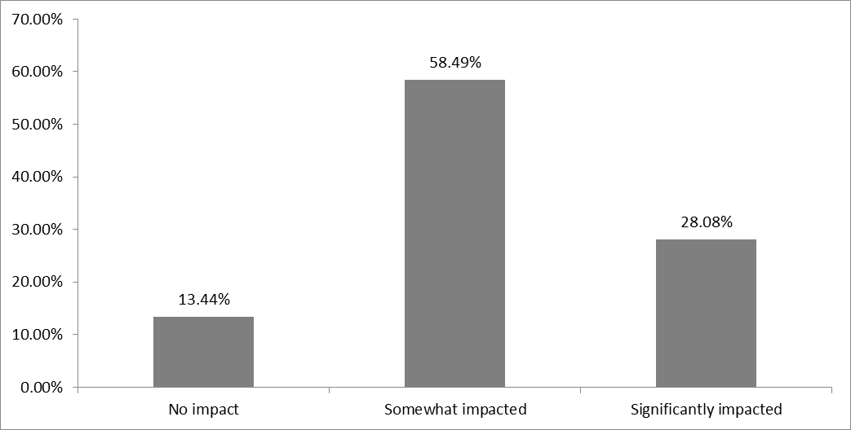
To what extent has the financial situation of your business been impacted by the COVID-19 crisis?
Base: All of Wave 5 & 6 asked

 | Base | 1494

 | No impact | 16.13%
 |  | 241
 | Somewhat impacted | 59.71%
 |  | 892
 | Significantly impacted | 24.16%
 |  | 361

 |  |  | No impact | 16.13%
 |  |  | Somewhat impacted | 59.71%
 |  |  | Significantly impacted | 24.16%

 |  | Wave 4 & 5 May 2020 & September 2020

